Dec 2019
1 | 2 | 3 | 4 | 5 | 6 | 7 | 8 | 9 | 10 | 11 | 12 | 13 | 14 | 15

 | CHIGATERI HOSPITAL
 |  |  |  | Medical College Road, PJ Badavane, DaVangere, Karnataka 577002
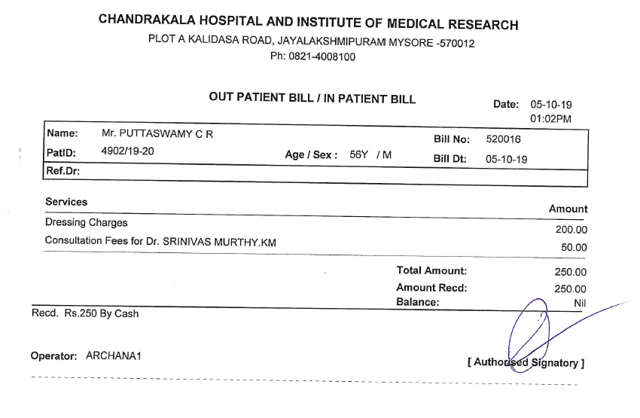

 |  |  |  |  | OUT PATIENT BILL / IN PATIENT BILL |  |  |  |  |  |  | Date: | 2019-12-05
 |  |  |  |  |  |  |  |  |  |  |  |  | 01:02PM

 | Name: | Mrs. KAMALAMMA |  |  |  |  |  |  |  | Bill No: | 652134

 | PatlD: | 4550/2019/05 |  |  |  | Age/Sex : 51Y / F |  |  |  | Bill Dt: | 2019-12-05
 | Ref.Dr:

 | Services |  |  |  |  |  |  |  |  |  |  | Amount

 | Dressing Charges |  |  |  |  |  |  |  |  |  |  |  | 500.00

 | Consulatation Fees for Dr. SHANMUKAPPA |  |  |  |  |  |  |  |  |  |  |  | 300.00

 |  |  |  |  |  |  |  |  | Total Amount: |  |  |  | 800.00
 |  |  |  |  |  |  |  |  | Amount Recd: |  |  |  | 800.00
 |  |  |  |  |  |  |  |  | Balance: |  |  |  | Nil

 | Recd. Rs.800 By Cash

 | Operator: NISHCHITH |  |  |  |  |  |  |  |  |  | [ Authorised Siggnatory ]

 | CHIGATERI HOSPITAL
 |  |  |  | Medical College Road, PJ Badavane, DaVangere, Karnataka 577002

 |  |  |  |  | OUT PATIENT BILL / IN PATIENT BILL |  |  |  |  |  |  | Date: | 25/05/2019
 |  |  |  |  |  |  |  |  |  |  |  |  | 03:10PM

 | Name: | Mrs. KAMALAMMA |  |  |  |  |  |  |  | Bill No: | 652134

 | PatlD: | 4550/2019/05 |  |  |  | Age/Sex : 51Y / F |  |  |  | Bill Dt: | 25/05/2019
 | Ref.Dr:

 | Services |  |  |  |  |  |  |  |  |  |  | Amount

 | Dressing Charges |  |  |  |  |  |  |  |  |  |  |  | 500.00

 | Consulatation Fees for Dr. SHANMUKAPPA |  |  |  |  |  |  |  |  |  |  |  | 300.00

 |  |  |  |  |  |  |  |  | Total Amount: |  |  |  | 800.00
 |  |  |  |  |  |  |  |  | Amount Recd: |  |  |  | 800.00
 |  |  |  |  |  |  |  |  | Balance: |  |  |  | Nil

 | Recd. Rs.800 By Cash

 | Operator: ROHITH |  |  |  |  |  |  |  |  |  | [ Authorised Siggnatory ]

